Liability
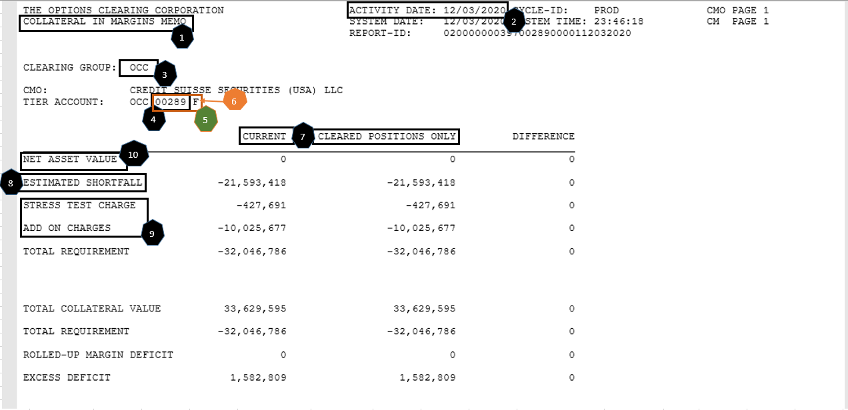
 |  |  |  |  |  |  |  |  |  |  |  | Attribute | # | Sample Values | Mapping logic | Comments
 |  |  |  |  |  |  |  |  |  |  |  | Report name | 1
 |  |  |  |  |  |  |  |  |  |  |  | Business Date | 2 | 2020-12-03
 |  |  |  |  |  |  |  |  |  |  |  | CCP | 3 | OCC
 |  |  |  |  |  |  |  |  |  |  |  | Member | 4 | 289
 |  |  |  |  |  |  |  |  |  |  |  | Account ID | 5 | 00289 F
 |  |  |  |  |  |  |  |  |  |  |  | Account Type | 6 | House | F or H -> House C-> Client Z->DefaultFund
 |  |  |  |  |  |  |  |  |  |  |  | Product Type |  | ETD
 |  |  |  |  |  |  |  |  |  |  |  | Market |  | Cleared
 |  |  |  |  |  |  |  |  |  |  |  | Currency | USD | USD
 |  |  |  |  |  |  |  |  |  |  |  | FX Rate | 1 | 1
 |  |  |  |  |  |  |  |  |  |  |  | Product Description | 7 | Cleared | Cleared or Current
 |  |  |  |  |  |  |  |  |  |  |  | Liability Type |  | AdditionalInitialMargin | AdditionalInitialMargin | BaseInitialMargin | OptionValue (Only for 355)
 |  |  |  |  |  |  |  |  |  |  |  | Liability | See 8,9,10 below
 |  |  |  |  |  |  |  |  |  |  |  |  | 9 | -10453368 | AdditionalInitialMargin = Stress Test Charge + Add on Charges
 |  |  |  |  |  |  |  |  |  |  |  |  | 8 | $(21,593,418.00) | BaseInitialMargin = Estimated Shortfall
 |  |  |  |  |  |  |  |  |  |  |  |  | 10 |  | OptionValue=Net Asset Value

Business Date | CCP | Member | Account ID | Account Type | Product Type | Market | Currency | FX Rate | Product Description | Liability Type | Liability
2020-12-03 | OCC | 355 | 00355 C | Client | ETD | Current | USD | 1 | Current | AdditionalInitialMargin | $(189,368,472.00)
2020-12-03 | OCC | 355 | 00355 C | Client | ETD | Current | USD | 1 | Current | BaseInitialMargin | $(1,172,486,339.00)
2020-12-03 | OCC | 355 | 00355 C | Client | ETD | Current | USD | 1 | Current | OptionValue | $468,687,992.00

Collateral
Business Date | CCP | Member | Account ID | Account Type | Product Type | Market | Currency | FX Rate | Collateral Type | Collateral Description | Market Value | Excess | Haircut
2020-12-03 | OCC | 355 | 00355 C | Client | ETD | Cleared | USD | 1 | Bond | CUSIP 91282CAK7 | $199,635,248.60 | 0 | 1
...
2
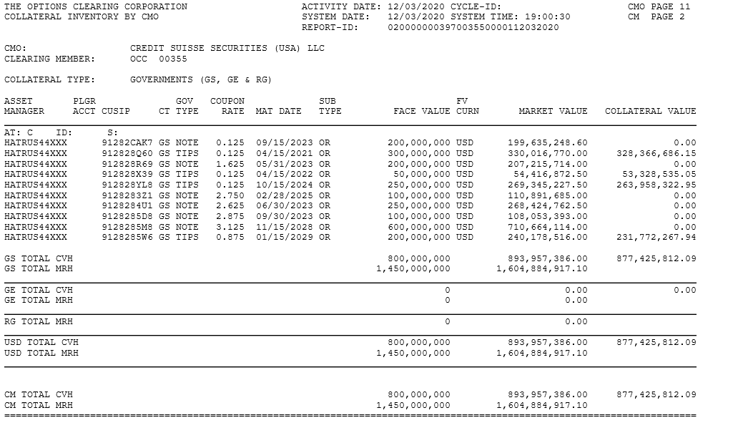
1
3
4

8
5
9
7
6
 |  |  |  |  |  |  |  |  |  |  | 91282CAK7

 |  | Report Name | 1 |  | Mapping logic | Comments
 |  | Business Date | 2 | 44168
 |  | CCP | 3 | OCC
 |  | Member | 4 | 355
 |  | Account ID | 4+5 | 00355 C
 |  | Account Type | 5 | Client | C-> Client, H or F-> House, Z- Default Fund
 |  | Product Type |  | ETD | Hardcoded
 |  | Market |  | Cleared |  | Needs clarification
 |  | Currency | 6 | USD
 |  | FX Rate | 6 | 1 | If USD, FX Rate =1
 |  | Collateral Type | 7 | Bond | NOTE= Bond, TIPS = Security | Needs clarification
 |  | Collateral Description | 8 | CUSIP 91282CAK7
 |  | Market Value | 9 | 199635248.6
 |  | Excess |  | 0 |  | Clarification required
 |  | Haircut |  | 1900-01-01 | Calculation | Clarification required

